Fall
Year 1 - Fall Monthly Report

Completed report needs to be submitted to the 4-H office in a stamped & addressed envelope by December 1st at 11:59 pm.
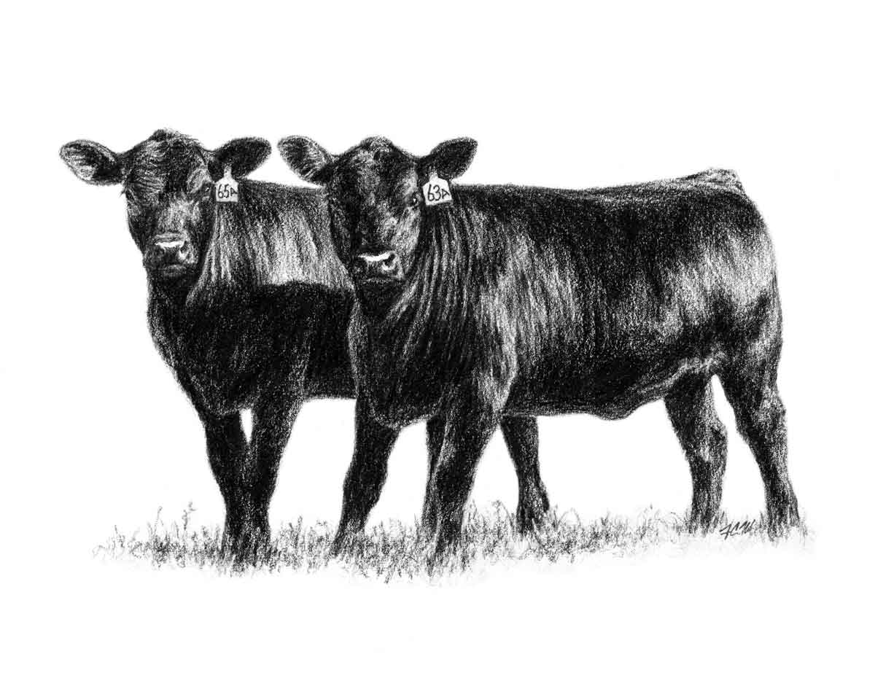
Date:
Donor's Name:
Youth's Name:

Fall Financials

Please complete the expenses and information for this month's report.
Include all expenses incurred in September, October, and November.

Information |  | September | October | November | Fall Total
# of Donor Contacts This Month |  | 0 | 0 | 0 | 0
Heifer's Weight for this month |  | 0 | 0 | 0 | 0
Hay (approx. amount in pounds) |  | 0 | 0 | 0 | 0
Total Mixed Ration (approx. amount in pounds) |  | 0 | 0 | 0 | 0

Expenses
Transportation Expense |  | $0.00 | $0.00 | $0.00 | $0.00
Pasture Rent |  | $0.00 | $0.00 | $0.00 | $0.00
Hay (dollar value) |  | $0.00 | $0.00 | $0.00 | $0.00
Total Mixed Ration (dollar value) |  | $0.00 | $0.00 | $0.00 | $0.00
Feed Supplements-mineral/salt, etc. |  | $0.00 | $0.00 | $0.00 | $0.00
Veterinarian/Medical |  | $0.00 | $0.00 | $0.00 | $0.00
Breeding Expense |  | $0.00 | $0.00 | $0.00 | $0.00
Housing/Bedding |  | $0.00 | $0.00 | $0.00 | $0.00
Showing Supplies |  | $0.00 | $0.00 | $0.00 | $0.00
Equipment |  | $0.00 | $0.00 | $0.00 | $0.00
Other |  | $0.00 | $0.00 | $0.00 | $0.00
Totals |  | $0.00 | $0.00 | $0.00 | $0.00

Fall Questions

Please pick one question from the options below to answer. Indicate which question you are answering.

1 | Please define the following terms: (a) Vaccination, (b) Ruminant, (c ) Sire, (d) Dam
2 | Where are you keeping/housing your heifer for the winter? What are your plans for starting to work with her?
3 | What are your goals for this year in the Catch-it-Calf program (what do you want to learn)?
4 | What are you planning to feed your heifer through the winter? If you have already purchased feed please include the brand and/or general ingredients.

Answer

