Fall
Year 2 - Fall Monthly Report

Completed report needs to be submitted to the 4-H office in a stamped & addressed envelope by December 1st at 11:59 pm.
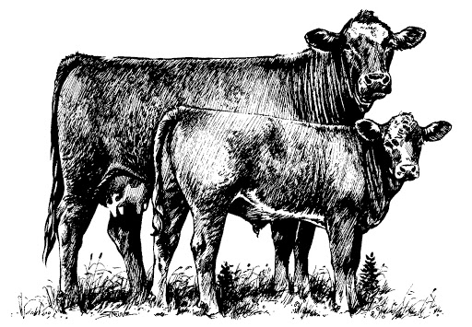
Date:
Donor's Name:
Youth's Name:

Fall Financials
Please complete the expenses and information for this month's report.
Include all expenses incurred in September, October, and November.

Information |  | September | October | November | Fall Total
# of Donor Contacts This Month |  | 0 | 0 | 0 | 0
Heifer's Weight for this month |  | 0 | 0 | 0 | 0
Hay (approx. amount in pounds) |  | 0 | 0 | 0 | 0
Total Mixed Ration (approx. amount in pounds) |  | 0 | 0 | 0 | 0

Expenses
Transportation Expense |  | $0.00 | $0.00 | $0.00 | $0.00
Pasture Rent |  | $0.00 | $0.00 | $0.00 | $0.00
Hay (dollar value) |  | $0.00 | $0.00 | $0.00 | $0.00
Total Mixed Ration (dollar value) |  | $0.00 | $0.00 | $0.00 | $0.00
Feed Supplements-mineral/salt, etc. |  | $0.00 | $0.00 | $0.00 | $0.00
Veterinarian/Medical |  | $0.00 | $0.00 | $0.00 | $0.00
Breeding Expense |  | $0.00 | $0.00 | $0.00 | $0.00
Housing/Bedding |  | $0.00 | $0.00 | $0.00 | $0.00
Showing Supplies |  | $0.00 | $0.00 | $0.00 | $0.00
Equipment |  | $0.00 | $0.00 | $0.00 | $0.00
Other |  | $0.00 | $0.00 | $0.00 | $0.00
Totals |  | $0.00 | $0.00 | $0.00 | $0.00

Fall Questions

Please pick one question from the options below to answer. Indicate which question you are answering.

1 | What are your goals for your second year in the Catch-it-Calf program?
2 | What is protein in regards to beef cattle nutrition? Why is it important to meet requirements, and how do requirements change? Please list 2 examples of good protein sources.
3 | How can pregnancy affect the nutritional requirements of your heifer? What is the most important nutrient during gestation?

Answer

